Sheet1
Preview | Task | Model | Episode | Success | Video_Path | Steps
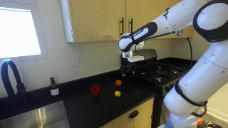 | Pick Up The Lemon. | Pi05-velocity | 1 | No | pick_up_the_lemon/pos-1/pi05_droid/20251130_142442 | 1000
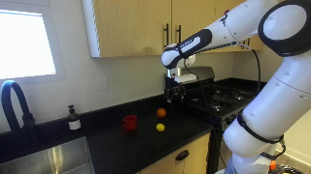 | Pick Up The Lemon. | Pi05-velocity | 2 | No | pick_up_the_lemon/pos-1/pi05_droid/20251130_142619 | 1000
 | Pick Up The Lemon. | Pi05-velocity | 3 | No | pick_up_the_lemon/pos-1/pi05_droid/20251130_142746 | 1000
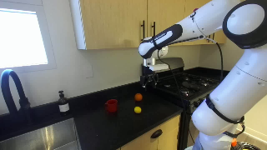 | Pick Up The Lemon. | Pi0-velocity | 1 | No | pick_up_the_lemon/pos-1/pi0_droid/20251130_143002 | 1000
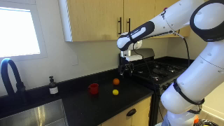 | Pick Up The Lemon. | Pi0-velocity | 2 | No | pick_up_the_lemon/pos-1/pi0_droid/20251130_143136 | 1000
 | Pick Up The Lemon. | Pi0-velocity | 3 | No | pick_up_the_lemon/pos-1/pi0_droid/20251130_143257 | 1000
 | Pick Up The Lemon. | Pi0-fast-velocity | 1 | Yes | pick_up_the_lemon/pos-1/pi0_fast/20251130_143525 | 861
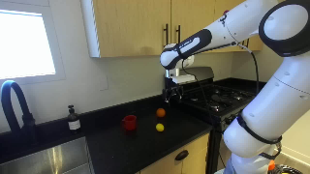 | Pick Up The Lemon. | Pi0-fast-velocity | 2 | No | pick_up_the_lemon/pos-1/pi0_fast/20251130_143730 | 1000
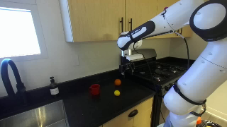 | Pick Up The Lemon. | Pi0-fast-velocity | 3 | No | pick_up_the_lemon/pos-1/pi0_fast/20251130_143939 | 1000
 | Pick Up The Lemon. | Pi05-jointpos | 1 | Yes | pick_up_the_lemon/pos-1/pi05_droid_jointpos/20251130_144246 | 66
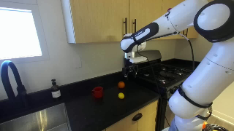 | Pick Up The Lemon. | Pi05-jointpos | 2 | No | pick_up_the_lemon/pos-1/pi05_droid_jointpos/20251130_144326 | 86
 | Pick Up The Lemon. | Pi05-jointpos | 3 | Yes | pick_up_the_lemon/pos-1/pi05_droid_jointpos/20251130_144433 | 120
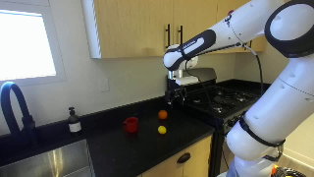 | Pick Up The Lemon. | Pi0-jointpos | 1 | No | pick_up_the_lemon/pos-1/pi0_droid_jointpos/20251130_144610 | 1000
 | Pick Up The Lemon. | Pi0-jointpos | 2 | No | pick_up_the_lemon/pos-1/pi0_droid_jointpos/20251130_144953 | 1000
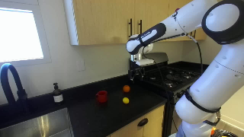 | Pick Up The Lemon. | Pi0-jointpos | 3 | No | pick_up_the_lemon/pos-1/pi0_droid_jointpos/20251130_145332 | 1000
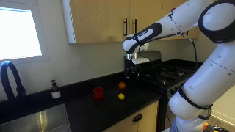 | Pick Up The Lemon. | Pi0-fast-jointpos | 1 | No | pick_up_the_lemon/pos-1/pi0_fast_jointpos/20251130_145914 | 1000
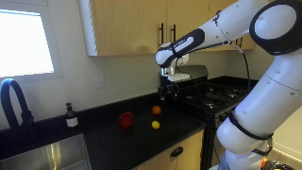 | Pick Up The Lemon. | Pi0-fast-jointpos | 2 | No | pick_up_the_lemon/pos-1/pi0_fast_jointpos/20251130_150509 | 1000
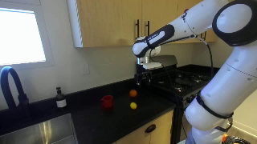 | Pick Up The Lemon. | Pi0-fast-jointpos | 3 | Yes | pick_up_the_lemon/pos-1/pi0_fast_jointpos/20251130_150921 | 375
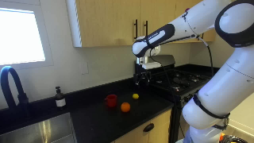 | Pick Up The Lemon. | Pi05-velocity | 1 | No | pick_up_the_lemon/pos-2/pi05_droid/20251130_152103 | 561
 | Pick Up The Lemon. | Pi05-velocity | 2 | No | pick_up_the_lemon/pos-2/pi05_droid/20251130_152153 | 1000
 | Pick Up The Lemon. | Pi05-velocity | 3 | No | pick_up_the_lemon/pos-2/pi05_droid/20251130_152321 | 313
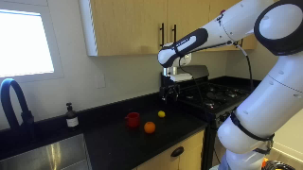 | Pick Up The Lemon. | Pi0-velocity | 1 | No | pick_up_the_lemon/pos-2/pi0_droid/20251130_152853 | 589
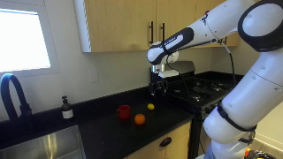 | Pick Up The Lemon. | Pi0-velocity | 2 | No | pick_up_the_lemon/pos-2/pi0_droid/20251130_152955 | 1000
 | Pick Up The Lemon. | Pi0-velocity | 3 | No | pick_up_the_lemon/pos-2/pi0_droid/20251130_153116 | 932
 | Pick Up The Lemon. | Pi0-fast-velocity | 1 | No | pick_up_the_lemon/pos-2/pi0_fast/20251130_153307 | 1000
 | Pick Up The Lemon. | Pi0-fast-velocity | 2 | No | pick_up_the_lemon/pos-2/pi0_fast/20251130_153442 | 770
 | Pick Up The Lemon. | Pi0-fast-velocity | 3 | No | pick_up_the_lemon/pos-2/pi0_fast/20251130_153545 | 1000
 | Pick Up The Lemon. | Pi05-jointpos | 1 | No | pick_up_the_lemon/pos-2/pi05_droid_jointpos/20251130_153841 | 423
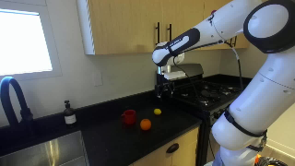 | Pick Up The Lemon. | Pi05-jointpos | 2 | No | pick_up_the_lemon/pos-2/pi05_droid_jointpos/20251130_154119 | 366
 | Pick Up The Lemon. | Pi05-jointpos | 3 | Yes | pick_up_the_lemon/pos-2/pi05_droid_jointpos/20251130_154251 | 152
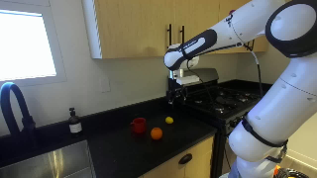 | Pick Up The Lemon. | Pi0-jointpos | 1 | No | pick_up_the_lemon/pos-2/pi0_droid_jointpos/20251130_154447 | 337
 | Pick Up The Lemon. | Pi0-jointpos | 2 | No | pick_up_the_lemon/pos-2/pi0_droid_jointpos/20251130_154614 | 506
 | Pick Up The Lemon. | Pi0-jointpos | 3 | No | pick_up_the_lemon/pos-2/pi0_droid_jointpos/20251130_154803 | 268
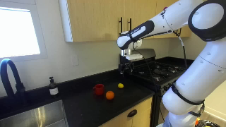 | Pick Up The Lemon. | Pi0-fast-jointpos | 1 | No | pick_up_the_lemon/pos-2/pi0_fast_jointpos/20251130_155057 | 132
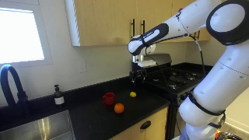 | Pick Up The Lemon. | Pi0-fast-jointpos | 2 | No | pick_up_the_lemon/pos-2/pi0_fast_jointpos/20251130_155150 | 122
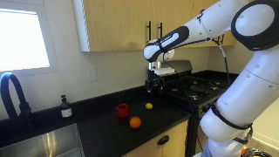 | Pick Up The Lemon. | Pi0-fast-jointpos | 3 | No | pick_up_the_lemon/pos-2/pi0_fast_jointpos/20251130_155230 | 432
 | Pick Up The Lemon. | Pi05-velocity | 1 | No | pick_up_the_lemon/pos-3/pi05_droid/20251130_160257 | 937
 | Pick Up The Lemon. | Pi05-velocity | 2 | No | pick_up_the_lemon/pos-3/pi05_droid/20251130_160439 | 429
 | Pick Up The Lemon. | Pi05-velocity | 3 | No | pick_up_the_lemon/pos-3/pi05_droid/20251130_160523 | 1000
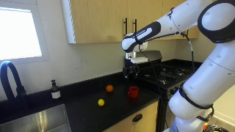 | Pick Up The Lemon. | Pi0-velocity | 1 | No | pick_up_the_lemon/pos-3/pi0_droid/20251130_160828 | 1000
 | Pick Up The Lemon. | Pi0-velocity | 2 | No | pick_up_the_lemon/pos-3/pi0_droid/20251130_161003 | 1000
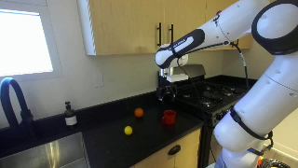 | Pick Up The Lemon. | Pi0-velocity | 3 | No | pick_up_the_lemon/pos-3/pi0_droid/20251130_161126 | 1000
 | Pick Up The Lemon. | Pi0-fast-velocity | 1 | Yes | pick_up_the_lemon/pos-3/pi0_fast/20251130_161408 | 672
 | Pick Up The Lemon. | Pi0-fast-velocity | 2 | No | pick_up_the_lemon/pos-3/pi0_fast/20251130_161551 | 1000
 | Pick Up The Lemon. | Pi0-fast-velocity | 3 | No | pick_up_the_lemon/pos-3/pi0_fast/20251130_161751 | 1000
 | Pick Up The Lemon. | Pi05-jointpos | 1 | Yes | pick_up_the_lemon/pos-3/pi05_droid_jointpos/20251130_162200 | 306
 | Pick Up The Lemon. | Pi05-jointpos | 2 | No | pick_up_the_lemon/pos-3/pi05_droid_jointpos/20251130_162318 | 723
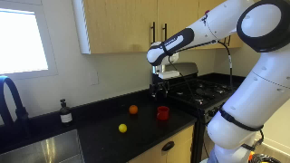 | Pick Up The Lemon. | Pi05-jointpos | 3 | Yes | pick_up_the_lemon/pos-3/pi05_droid_jointpos/20251130_162605 | 544
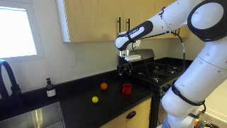 | Pick Up The Lemon. | Pi0-jointpos | 1 | No | pick_up_the_lemon/pos-3/pi0_droid_jointpos/20251130_162849 | 112
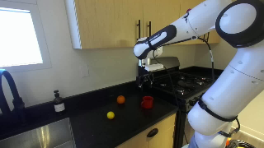 | Pick Up The Lemon. | Pi0-jointpos | 2 | No | pick_up_the_lemon/pos-3/pi0_droid_jointpos/20251130_162932 | 211
 | Pick Up The Lemon. | Pi0-jointpos | 3 | No | pick_up_the_lemon/pos-3/pi0_droid_jointpos/20251130_163021 | 209
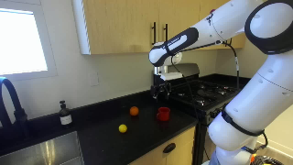 | Pick Up The Lemon. | Pi0-fast-jointpos | 1 | No | pick_up_the_lemon/pos-3/pi0_fast_jointpos/20251130_163148 | 407
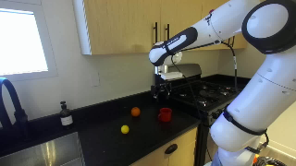 | Pick Up The Lemon. | Pi0-fast-jointpos | 2 | No | pick_up_the_lemon/pos-3/pi0_fast_jointpos/20251130_163346 | 458
 | Pick Up The Lemon. | Pi0-fast-jointpos | 3 | Yes | pick_up_the_lemon/pos-3/pi0_fast_jointpos/20251130_163551 | 420
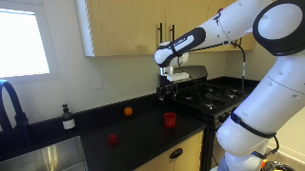 | Pick Up The Cube. | Pi05-velocity | 1 | No | pick_up_the_cube/pos-1/pi05_droid/20251130_165458 | 1000
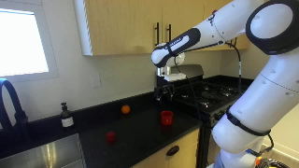 | Pick Up The Cube. | Pi05-velocity | 2 | No | pick_up_the_cube/pos-1/pi05_droid/20251130_165635 | 684
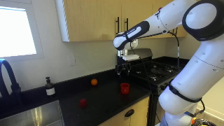 | Pick Up The Cube. | Pi05-velocity | 3 | No | pick_up_the_cube/pos-1/pi05_droid/20251130_165736 | 589
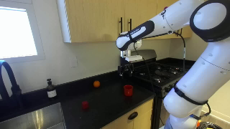 | Pick Up The Cube. | Pi0-velocity | 1 | No | pick_up_the_cube/pos-1/pi0_droid/20251130_165921 | 1000
 | Pick Up The Cube. | Pi0-velocity | 2 | No | pick_up_the_cube/pos-1/pi0_droid/20251130_170055 | 1000
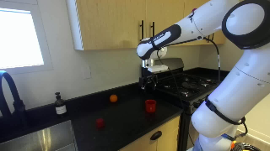 | Pick Up The Cube. | Pi0-velocity | 3 | No | pick_up_the_cube/pos-1/pi0_droid/20251130_170218 | 612
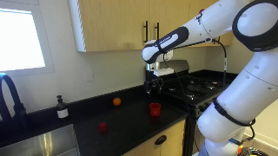 | Pick Up The Cube. | Pi0-fast-velocity | 1 | No | pick_up_the_cube/pos-1/pi0_fast/20251130_170402 | 621
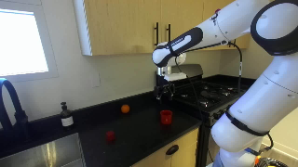 | Pick Up The Cube. | Pi0-fast-velocity | 2 | No | pick_up_the_cube/pos-1/pi0_fast/20251130_170538 | 412
 | Pick Up The Cube. | Pi0-fast-velocity | 3 | No | pick_up_the_cube/pos-1/pi0_fast/20251130_170641 | 476
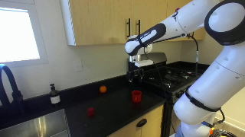 | Pick Up The Cube. | Pi05-jointpos | 1 | No | pick_up_the_cube/pos-1/pi05_droid_jointpos/20251130_170820 | 263
 | Pick Up The Cube. | Pi05-jointpos | 2 | Yes | pick_up_the_cube/pos-1/pi05_droid_jointpos/20251130_170929 | 279
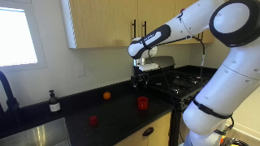 | Pick Up The Cube. | Pi05-jointpos | 3 | Yes | pick_up_the_cube/pos-1/pi05_droid_jointpos/20251130_171041 | 477
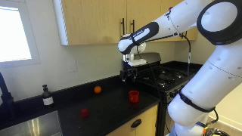 | Pick Up The Cube. | Pi0-jointpos | 1 | No | pick_up_the_cube/pos-1/pi0_droid_jointpos/20251130_171321 | 235
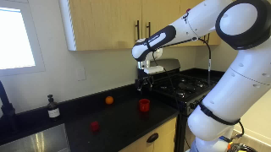 | Pick Up The Cube. | Pi0-jointpos | 2 | No | pick_up_the_cube/pos-1/pi0_droid_jointpos/20251130_171430 | 277
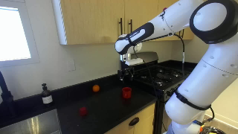 | Pick Up The Cube. | Pi0-jointpos | 3 | No | pick_up_the_cube/pos-1/pi0_droid_jointpos/20251130_171536 | 372
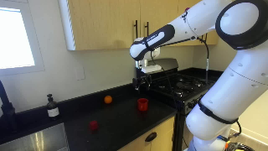 | Pick Up The Cube. | Pi0-fast-jointpos | 1 | No | pick_up_the_cube/pos-1/pi0_fast_jointpos/20251130_171740 | 237
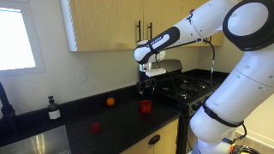 | Pick Up The Cube. | Pi0-fast-jointpos | 2 | No | pick_up_the_cube/pos-1/pi0_fast_jointpos/20251130_171850 | 247
 | Pick Up The Cube. | Pi0-fast-jointpos | 3 | No | pick_up_the_cube/pos-1/pi0_fast_jointpos/20251130_171954 | 167
 | Pick Up The Cube. | Pi05-velocity | 1 | No | pick_up_the_cube/pos-2/pi05_droid/20251130_172531 | 502
 | Pick Up The Cube. | Pi05-velocity | 2 | No | pick_up_the_cube/pos-2/pi05_droid/20251130_172618 | 526
 | Pick Up The Cube. | Pi05-velocity | 3 | No | pick_up_the_cube/pos-2/pi05_droid/20251130_172706 | 356
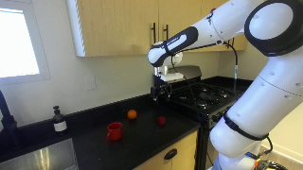 | Pick Up The Cube. | Pi0-velocity | 1 | No | pick_up_the_cube/pos-2/pi0_droid/20251130_172820 | 1000
 | Pick Up The Cube. | Pi0-velocity | 2 | No | pick_up_the_cube/pos-2/pi0_droid/20251130_172953 | 1000
 | Pick Up The Cube. | Pi0-velocity | 3 | No | pick_up_the_cube/pos-2/pi0_droid/20251130_173115 | 1000
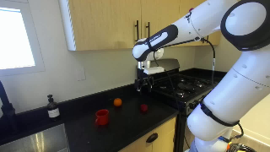 | Pick Up The Cube. | Pi0-fast-velocity | 1 | Yes | pick_up_the_cube/pos-2/pi0_fast/20251130_173325 | 689
 | Pick Up The Cube. | Pi0-fast-velocity | 2 | No | pick_up_the_cube/pos-2/pi0_fast/20251130_173515 | 1000
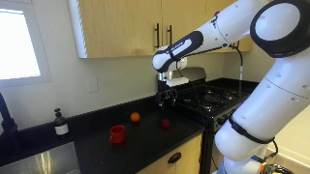 | Pick Up The Cube. | Pi0-fast-velocity | 3 | Yes | pick_up_the_cube/pos-2/pi0_fast/20251130_173729 | 527
 | Pick Up The Cube. | Pi05-jointpos | 1 | Yes | pick_up_the_cube/pos-2/pi05_droid_jointpos/20251130_173942 | 463
 | Pick Up The Cube. | Pi05-jointpos | 2 | Yes | pick_up_the_cube/pos-2/pi05_droid_jointpos/20251130_174137 | 275
 | Pick Up The Cube. | Pi05-jointpos | 3 | Yes | pick_up_the_cube/pos-2/pi05_droid_jointpos/20251130_174246 | 289
 | Pick Up The Cube. | Pi0-jointpos | 1 | No | pick_up_the_cube/pos-2/pi0_droid_jointpos/20251130_174451 | 407
 | Pick Up The Cube. | Pi0-jointpos | 2 | No | pick_up_the_cube/pos-2/pi0_droid_jointpos/20251130_174632 | 427
 | Pick Up The Cube. | Pi0-jointpos | 3 | No | pick_up_the_cube/pos-2/pi0_droid_jointpos/20251130_174805 | 487
 | Pick Up The Cube. | Pi0-fast-jointpos | 1 | No | pick_up_the_cube/pos-2/pi0_fast_jointpos/20251130_175029 | 214
 | Pick Up The Cube. | Pi0-fast-jointpos | 2 | No | pick_up_the_cube/pos-2/pi0_fast_jointpos/20251130_175140 | 424
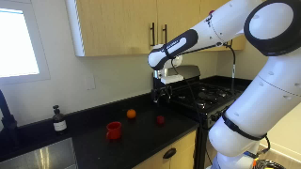 | Pick Up The Cube. | Pi0-fast-jointpos | 3 | No | pick_up_the_cube/pos-2/pi0_fast_jointpos/20251130_175323 | 403
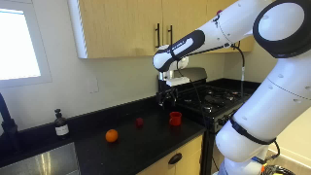 | Pick Up The Cube. | Pi05-velocity | 1 | No | pick_up_the_cube/pos-3/pi05_droid/20251130_175816 | 527
 | Pick Up The Cube. | Pi05-velocity | 2 | No | pick_up_the_cube/pos-3/pi05_droid/20251130_175916 | 620
 | Pick Up The Cube. | Pi05-velocity | 3 | No | pick_up_the_cube/pos-3/pi05_droid/20251130_180011 | 661
 | Pick Up The Cube. | Pi0-velocity | 1 | No | pick_up_the_cube/pos-3/pi0_droid/20251130_180147 | 875
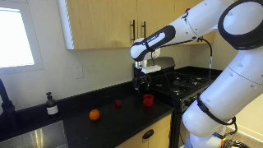 | Pick Up The Cube. | Pi0-velocity | 2 | No | pick_up_the_cube/pos-3/pi0_droid/20251130_180309 | 428
 | Pick Up The Cube. | Pi0-velocity | 3 | No | pick_up_the_cube/pos-3/pi0_droid/20251130_180346 | 532
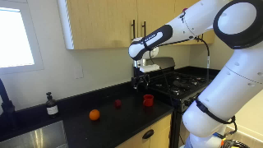 | Pick Up The Cube. | Pi0-fast-velocity | 1 | No | pick_up_the_cube/pos-3/pi0_fast/20251130_180834 | 340
 | Pick Up The Cube. | Pi0-fast-velocity | 2 | No | pick_up_the_cube/pos-3/pi0_fast/20251130_180917 | 242
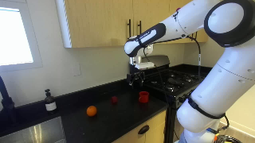 | Pick Up The Cube. | Pi0-fast-velocity | 3 | No | pick_up_the_cube/pos-3/pi0_fast/20251130_180951 | 417
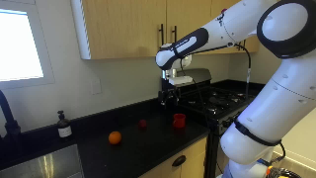 | Pick up the cube. | Pi0.5-position | 1 | No | pick_up_the_cube/pos-3/pi05_droid_jointpos/20251130_183355 | 422
 | Pick up the cube. | Pi0.5-position | 2 | Yes | pick_up_the_cube/pos-3/pi05_droid_jointpos/20251130_183538 | 115
 | Pick up the cube. | Pi0.5-position | 3 | No | pick_up_the_cube/pos-3/pi05_droid_jointpos/20251130_183614 | 218
 | Pick up the cube. | Pi0-position | 1 | No | pick_up_the_cube/pos-3/pi0_droid_jointpos/20251130_183741 | 196
 | Pick up the cube. | Pi0-position | 2 | No | pick_up_the_cube/pos-3/pi0_droid_jointpos/20251130_183838 | 241
 | Pick up the cube. | Pi0-position | 3 | No | pick_up_the_cube/pos-3/pi0_droid_jointpos/20251130_183932 | 189
 | Pick up the cube. | Pi0-fast-position | 1 | No | pick_up_the_cube/pos-3/pi0_fast_jointpos/20251130_184054 | 149
 | Pick up the cube. | Pi0-fast-position | 2 | No | pick_up_the_cube/pos-3/pi0_fast_jointpos/20251130_184146 | 194
 | Pick up the cube. | Pi0-fast-position | 3 | No | pick_up_the_cube/pos-3/pi0_fast_jointpos/20251130_184236 | 171
 | Pick up the toy car. | pos-1 | Pi0.5-velocity | 1 | No | pick_up_the_toy_car/pos-1/pi05_droid/20251130_192856 | 282
 | Pick up the toy car. | pos-1 | Pi0.5-velocity | 2 | No | pick_up_the_toy_car/pos-1/pi05_droid/20251130_192936 | 233
 | Pick up the toy car. | pos-1 | Pi0.5-velocity | 3 | No | pick_up_the_toy_car/pos-1/pi05_droid/20251130_193001 | 760
 | Pick up the toy car. | pos-1 | Pi0-velocity | 1 | No | pick_up_the_toy_car/pos-1/pi0_droid/20251130_193214 | 1000
 | Pick up the toy car. | pos-1 | Pi0-velocity | 2 | No | pick_up_the_toy_car/pos-1/pi0_droid/20251130_193345 | 1000
 | Pick up the toy car. | pos-1 | Pi0-velocity | 3 | No | pick_up_the_toy_car/pos-1/pi0_droid/20251130_193505 | 1000
 | Pick up the toy car. | pos-1 | Pi0-fast-velocity | 1 | No | pick_up_the_toy_car/pos-1/pi0_fast/20251130_193711 | 828
 | Pick up the toy car. | pos-1 | Pi0-fast-velocity | 2 | No | pick_up_the_toy_car/pos-1/pi0_fast/20251130_193923 | 742
 | Pick up the toy car. | pos-1 | Pi0-fast-velocity | 3 | No | pick_up_the_toy_car/pos-1/pi0_fast/20251130_194101 | 902
 | Pick up the toy car. | Pi0.5-position | 1 | Yes | pick_up_the_toy_car/pos-1/pi05_droid_jointpos/20251130_194335 | 658
 | Pick up the toy car. | Pi0.5-position | 2 | Yes | pick_up_the_toy_car/pos-1/pi05_droid_jointpos/20251130_194618 | 91
 | Pick up the toy car. | Pi0.5-position | 3 | No | pick_up_the_toy_car/pos-1/pi05_droid_jointpos/20251130_194649 | 440
 | Pick up the toy car. | Pi0-position | 1 | No | pick_up_the_toy_car/pos-1/pi0_droid_jointpos/20251130_195240 | 204
 | Pick up the toy car. | Pi0-position | 2 | No | pick_up_the_toy_car/pos-1/pi0_droid_jointpos/20251130_195345 | 355
 | Pick up the toy car. | Pi0-position | 3 | No | pick_up_the_toy_car/pos-1/pi0_droid_jointpos/20251130_195504 | 308
 | Pick up the toy car. | Pi0-fast-position | 1 | No | pick_up_the_toy_car/pos-1/pi0_fast_jointpos/20251130_195825 | 342
 | Pick up the toy car. | Pi0-fast-position | 2 | No | pick_up_the_toy_car/pos-1/pi0_fast_jointpos/20251130_195947 | 370
 | Pick up the toy car. | Pi0-fast-position | 3 | No | pick_up_the_toy_car/pos-1/pi0_fast_jointpos/20251130_200121 | 403
 | Pick up the toy car. | pos-2 | Pi0.5-velocity | 1 | No | pick_up_the_toy_car/pos-2/pi05_droid/20251130_200411 | 441
 | Pick up the toy car. | pos-2 | Pi0.5-velocity | 2 | No | pick_up_the_toy_car/pos-2/pi05_droid/20251130_200504 | 231
 | Pick up the toy car. | pos-2 | Pi0.5-velocity | 3 | No | pick_up_the_toy_car/pos-2/pi05_droid/20251130_200528 | 385
 | Pick up the toy car. | pos-2 | Pi0-velocity | 1 | No | pick_up_the_toy_car/pos-2/pi0_droid/20251130_200649 | 648
 | Pick up the toy car. | pos-2 | Pi0-velocity | 2 | No | pick_up_the_toy_car/pos-2/pi0_droid/20251130_200757 | 828
 | Pick up the toy car. | pos-2 | Pi0-velocity | 3 | No | pick_up_the_toy_car/pos-2/pi0_droid/20251130_200906 | 666
 | Pick up the toy car. | pos-2 | Pi0-fast-velocity | 1 | No | pick_up_the_toy_car/pos-2/pi0_fast/20251130_201247 | 952
 | Pick up the toy car. | pos-2 | Pi0-fast-velocity | 2 | No | pick_up_the_toy_car/pos-2/pi0_fast/20251130_201454 | 41

